SS Documents
SS Document Creation Prioritization:
 | 1. Class Diagram
 | 2. Event Diagram
 | 3. ASL
 | 4. ADS

Document Headers & Filenames
- Filename: SS_Document_Name + (Process Name).xlsx
- 1 Business Process : 1 Set of SS Docs
- Version No Rule
- Version No starts with "1.00"
- Ver No (Revision History sheet): Increment by 0.01 if there are changes within the document regardless which sheet
- Ver No (Document Header): Update only version for modified sheets
- Put name (format: WS) FN Initial.LN eg. WS) J.DelaCruz) in "Updated By" field even if it's ONLY the INITIAL CREATION. Applicable only to documents with NO Created By/Date fields.

Class Diagram
Using Astah Professional
- Filename: D1SS13Cd1-1_クラス図(Process Name).asta
- Ensure to also SUBMIT the REVISION HISTORY file along with the astah file.
Filename: D1SS13Cd1-1_クラス図改版履歴(Process Name).xlsx
- ALL CLASSES should be VISIBLE in the diagram.

Using Excel
- ONE file for Class Diagram and Class Diagram Revision History.
- Filename: D1SS13Cd1-1_クラス図改版履歴(Process Name).xlsx
- The Class Diagram sheet name should be the SAME as the SYSTEM NAME.
eg. System Name: Library Management System

Event Sequence Diagram
Using Astah Professional
- Filename: D1SS136d1_イベント処理シーケンス図(Process Name).asta
- Ensure to also SUBMIT the REVISION HISTORY file along with the astah file.
Filename: D1SS136d1_イベント処理シーケンス図改版履歴(Process Name).xlsx

Using Excel
- ONE file for Event Sequence Diagram and Event Sequence Diagram Revision History.
- Filename: D1SS136d1_イベント処理シーケンス図改版履歴(Process Name).xlsx
- The Event Sequence Diagram sheet name should be the SAME as the SYSTEM NAME.
eg. System Name: Library Management System

- Start the sequence from screen(web) or main class(batch)
Scenario 1: For modal/dialog box when expected to return an error, "Display error message in the xx modal/dialog box
Scenario 2: For screen when expected to return a message, "Display success message"
Scenario 3: For screen when expected to return a data, "Display xx data"
Scenario 4: For screen when expected to return screen itself with no message or data, "Display xx Screen"
Scenario 5: For when expected to return data on another screen," Display xx screen with xx data"
- When mentioning or indicating the Screen Name, Please CAPITALIZE the FIRST letter of each word in the Screen Name.

Application Structure List
- Filename: D1SS13Ad1_アプリケーション構成一覧(Process Name).xlsx
- All classes to be executed.
- Column "No" is only sequential numbering.
- All JS FILES should be declared BEFORE the MAIN CLASS and INDICATE the DIRECTORY of the files in "package/namespace" column. (JS Name Format: screenNameJS)
- Indicate in the Remarks column if a class EXTENDS or DEPENDS another class or interface.

Application Detailed Specs
- Filename: D1SS13Cd1-2_アプリケーション詳細仕様(Process Name).xlsx
- All JS and JAVA classes declared in ASL should be included in ADS **
- Please MIND the ORIGINAL formatting in the template.
- Do NOT ADJUST the ROW HEIGHT.
- Process name = Method Name
 | - Process Name = HTML Processing **
 | - Include the HTML events in the calling Controller sheet. **
- If Argument is from a RequestParam, please indicate what is the name of the request parameter in the Argument Description.
 | Source Code:

 | In ADS:

- Description field should contain the overview description of what the method does and also the detail description of how exactly process works.

- For Controller methods which have web mapping, include the REQUEST MAPPING and REQUEST METHOD detail in the Description field *
Declare them AFTER the Overview Description as presented below.

- For methods with MORE THAN 1 PARAMETER, declare EACH parameter PER line.*

- For VARIABLE CALLING, please APPEND the following:
- "Member." for global variables/constants.
- "Argument." for declared arguments of the method
- "Variable." for local variables
e.g. Member.variableName
e.g. Member.CONSTANT_NAME

- For METHOD CALLING, please indicate the PURPOSE of the method call when indicating method calling in the detail description.
 | Source Code:

 | In ADS:
Purpose of the method call

- For methods WITHOUT ACCESS LEVEL, please put "default" **
- For MODEL class, NO NEED to put the getters/setters. Just indicate in the Process "Description" field that to generate the getters/setters of each member items.
- For SQL queries, please put in "Description" field. If there are MORE THAN 1 column to be specified, declare EACH column name PER line.

- For SQL BEST PRACTICE, do NOT use "Select *" in acquiring data from database. Please indicate EACH target COLUMN in the SQL Query.
- When mentioning or indicating the Screen Name, Please CAPITALIZE the FIRST letter of each word in the Screen Name.
- In Process Description field, please PUT 2 EMPTY ROWS after the LAST NON-EMPTY ROW. **
- In Process Description field, please PUT 5 EMPTY ROWS for methods with no logic contents.

Class Diagram
Class Diagram

1. | Class Diagram name is the SAME as the SYSTEM NAME.
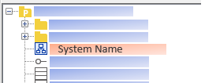

2. | Make sure NO UNRELATED object, class, interface or other components in the CLASS DIAGRM PANEL.
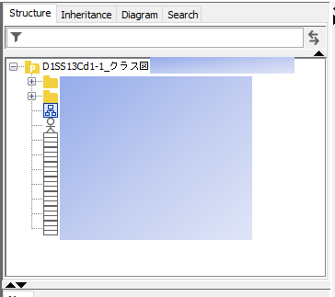
Class Diagram panel

3. | Make sure that Class Diagram is properly visible. If the Class Diagram is too big, atleast the top-left portion of the class diagram is the initial display and not any random corner of the class diagram.
4. | Include all the classes/interfaces as well as the packages. Should be THE SAME classes/interfaces and packages declared in the Application Structure List (ASL).
5. | Make sure that the ORDER of class declaration should follow the order of where the trigger of connection begins.
 | Start declaring of class at the top left portion of the class diagram

6. | Use Dependency connector when class/interface depends on other class/interface or simply when uses other class/interface within the class/interface.
 | For MODEL object class, NO NEED to put CONNECTORS to show relationship with other class/interface.

7. | Use Realization connector when class/interface implements other interface

8. | Use Generalization connector when class/interface extends other class/interface

9. | Use Unspecified Association to Navigable Association connector when class has general relation to other class without any direct extension, implementation or calling of other class.

10. | In declaring Interface, use Interface object when the interface has no methods or any declaration inside the interface.

11. | In declaring Interface, use Interface(Normal) object when the interface has methods or any declaration inside the interface.
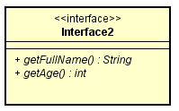

12. | For instance that class/interface extends a class/interface from a library source, only declare the class/interface itself, no need to specify the methods/attributes used.

13. | For method which does NOT HAVE any ACCESS LEVEL, select "package" in the Visibility dropdown as the access level.

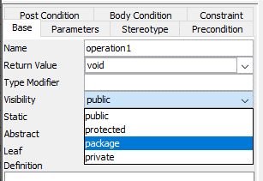

14. | For method that is STATIC, it should have an UNDERLINE in the declaration.

Event Process Sequence Diagram
Event Process Sequence Diagram

1. | Event Process Sequence Diagram name is the SAME as the SYSTEM NAME.
 | If ever System is too big and needs to create separate Event Process Sequence Diagram per Screen or per Batch, put it inside a parenthesis. Format: System Name (Screen Name/Batch Name)

2. | Make sure NO UNRELATED COMPONENTS in the EVENT PROCESS SEQUENCE DIAGRAM PANEL.
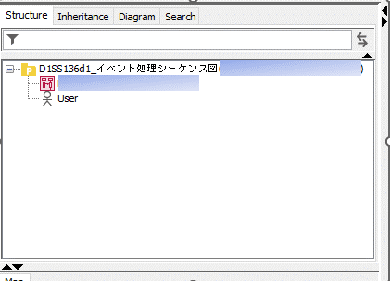
Event Process Sequence Diagram panel

3. | Make SURE that Sequence Diagram is properly VISIBLE. If the Sequence Diagram is TOO BIG, atleast the TOP-LEFT PORTION of the sequence diagram is the INITIAL DISPLAY and NOT any RANDOM CORNER of the sequence diagram.
4. | All EVENTS that CALLS a method (JS or Controller) which CONNECTS or PREREQUISITE to connecting to BACK-END should be included.
5. | All RELATED user EVENTS should be in 1 EXECUTION THREAD. See References - Figure 1
6. | Make sure that the ORDER of lifeline DECLARATION should FOLLOW the ORDER of where the TRIGGER of CONNECTION BEGINS.
7. | ONLY create the HAPPY FLOW of the system.
8. | ONLY the MAIN SCREENS should have their own LIFELINE (modals and/or dialog boxes not included)
9. | Use Lifeline(Actor) when representing a User of the System. CAPITALIZE the FIRST LETTER of the name of the user and REMOVE extra PARENTHESIS.

10. | Use Lifeline when REPRESENTING each COMPONENTS in the System such as Controller, Service, Repository, DAO class or Scheduler for Batch.
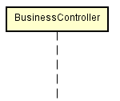

11. | Use Sychronous Message connector ( ) when there is a NEED TO WAIT until process is done BEFORE EXECUTING succeeding process.
12. | Use Asychronous Message connector ( ) when there is NO NEED TO WAIT the process to be done BEFORE EXECUTING other process. USUALLY use in MULTI-THREADED APPLICATIONS.
13. | Make SURE to PUT a Reply Message connector ( ) to EACH process call REGARDLESS if process METHOD is VOID or NOT. NO NEED to indicate WHAT IS BEING RETURNED since it is ALREADY INDICATED in the METHOD call. Exemption: No. 15
 | For CONSISTENCY, also put a Reply Message connector returning to the User/Actor.
14. | For WEB APPLICATIONS: For events where ACTOR makes an ACTION towards the SCREEN, the EVENT should be in IMPERATIVE STATEMENT and the FIRST LETTER of the word is CAPITALIZE. See References - Figure 2
 | Take note as well that IF the actor MANIPULATES any screen items, should indicate the screen name according to its label in the screen display.
15. | For scenario when actor TRIGGERS an event FROM a screen and expected to display ANOTHER screen, use Reply message connector to direct the RETURN display to DIFFERENT screen. See References - Figure 2
 | There is NO NEED to return EXPLICITLY the STRING NAME of the screen. Just simply state "Display Screen Name" or "Redirect to Screen Name" whichever suits best.
16. | Make sure to FOLLOW method NAMING CONVENTION when referring to JAVA METHODS.
17. | For the METHODS, make sure the following are INDICATED: See References - Figure 3
 | parameter and its data type, comma-separated (if applicable) Format: parameterName1 : data type, parameterName2 : datatype
 | return variable name (if applicable)
 | return data type (put void if expected no return value)

18. | For Service and DAO, NO NEED to include the INTERFACES. ONLY include the Service and DAO Implementation classes. See References - Figure 4
19. | Include DATABASE in the event sequence diagram. It should be DECLARED AFTER the DAO or Repository Lifeline. USE the DATABASE NAME as the LIFELINE NAME. USE the SAME METHOD CALL in CONNECTING to the Database. See References - Figure 4
20. | Make sure METHODS and OTHER TEXT in the diagram are VISIBLE and READABLE. ADJUST Lifeline DISTANCE if needed. See References - Figure 4
21. | When mentioning or indicating the Screen Name, Please CAPITALIZE the FIRST letter of each word in the Screen Name.

References
References |  |  | <<BACK

 | Figure 1

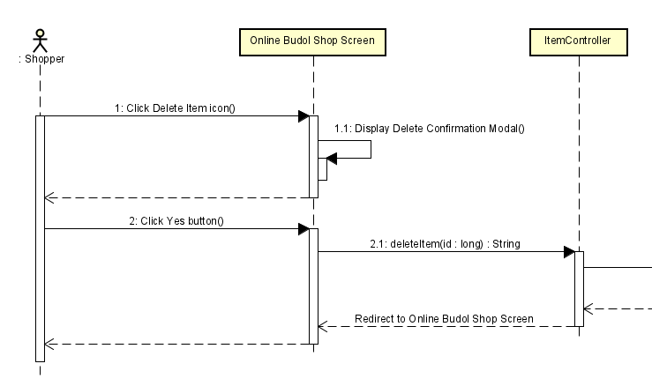

 |  | x

 | Figure 2
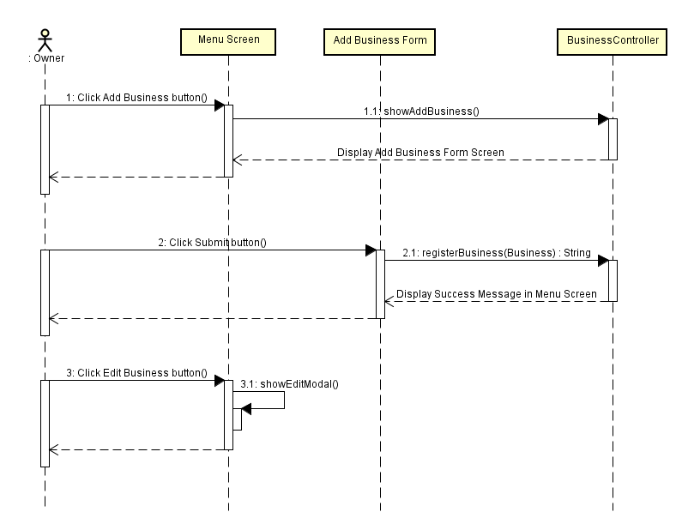

 | Figure 3

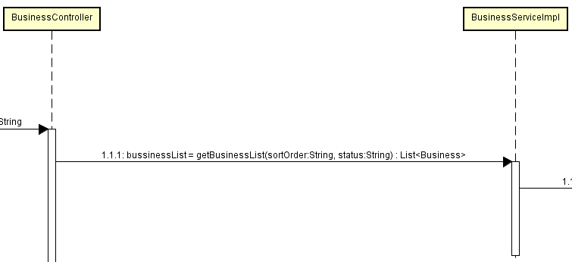
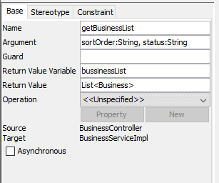
return variable name
parameters and its data type
return data type

 | Figure 4

